Report
 |  |  |  | Crystal Ball Report - Forecasts
 |  |  |  | Simulation started on 19-08-2024 at 04:05
 |  |  |  | Simulation stopped on 19-08-2024 at 04:05

 | Run preferences:
 |  | Number of trials run | 2,000
 |  | Monte Carlo
 |  | Seed | 999
 |  | Precision control on
 |  | Confidence level | 95.00%

 | Run statistics:
 |  | Total running time (sec) | 2.90
 |  | Trials/second (average) | 690
 |  | Random numbers per sec | 52,448

 | Crystal Ball data:
 |  | Assumptions | 76
 |  | Correlations | 0
 |  | Correlation matrices | 0
 |  | Decision variables | 0
 |  | Forecasts | 1

 |  |  |  | Forecasts

Worksheet: [G1T05-4 Crystal Ball Simulation.xlsx]Solution

Forecast: Payback Period |  |  |  |  | Cell: F2

 | Summary:
 |  | Certainty level is 59.27%
 |  | Certainty range is from 0.52 to 10.00
 |  | Entire range is from 0.00 to 3,451.51
 |  | Base case is 0.62
 |  | After 2,000 trials, the std. error of the mean is 8.98

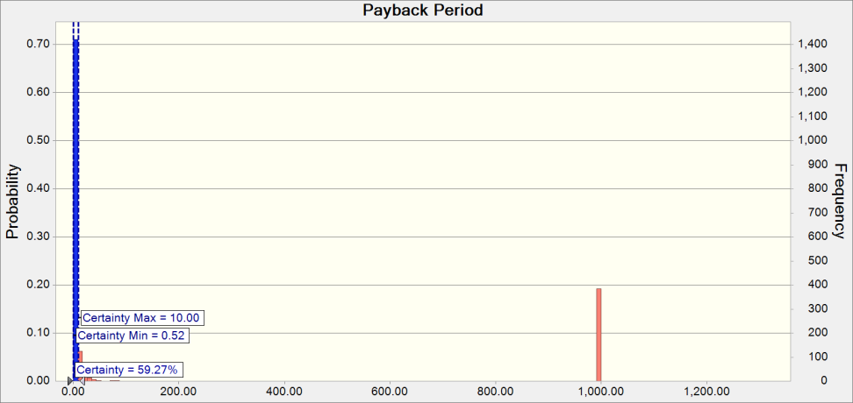

 | Statistics: |  | Forecast values
 |  | Trials | 2,000
 |  | Base Case | 0.62
 |  | Mean | 199.38
 |  | Median | 2.68
 |  | Mode | 999.00
 |  | Standard Deviation | 401.76
 |  | Variance | 161,413.74
 |  | Skewness | 1.76
 |  | Kurtosis | 5.60
 |  | Coeff. of Variation | 2.02
 |  | Minimum | 0.00
 |  | Maximum | 3,451.51
 |  | Range Width | 3,451.51
 |  | Mean Std. Error | 8.98

Forecast: Payback Period (cont'd) |  |  |  |  | Cell: F2

 | Percentiles: |  | Forecast values
 |  | 0% | 0.00
 |  | 10% | 0.37
 |  | 20% | 0.71
 |  | 30% | 1.07
 |  | 40% | 1.68
 |  | 50% | 2.68
 |  | 60% | 4.51
 |  | 70% | 8.21
 |  | 80% | 70.42
 |  | 90% | 999.00
 |  | 100% | 3,451.51

End of Forecasts

